Packing list_stkopt
 | I.T-SHIRT |  | T-SHIRT
Immagini | Articolo | GENDER | Descrizione | XS | S | M | L | XL | XXL | 3XL | Totale | RTL
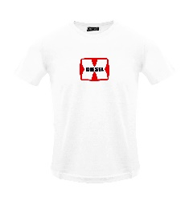 | A03848RPATI100 | MALE | T-DIEGOR-K47 MAGLIETTA - BRIGHT WHITE |  | 50 | 103 | 96 | 102 | 54 |  | 405 | 60.00 €
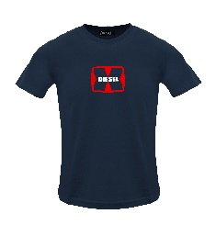 | A03848RPATI81E | MALE | T-DIEGOR-K47 MAGLIETTA - TOTAL ECLIPSE |  | 47 | 100 | 94 | 98 | 52 |  | 391 | 60.00 €
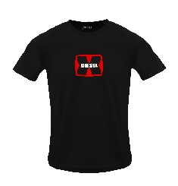 | A03848RPATI900 | MALE | T-DIEGOR-K47 MAGLIETTA - CAVIAR |  | 50 | 101 | 95 | 102 | 54 |  | 402 | 60.00 €
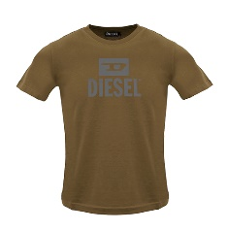 | A09753RPATI7DA | MALE | T-DIEGO TONE ON TONE MAGLIETTA - COFFEE LIQUEUR |  | 55 | 101 | 99 | 101 | 56 |  | 412 | 60.00 €
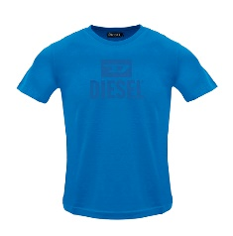 | A09753RPATI8NT | MALE | T-DIEGO TONE ON TONE MAGLIETTA - BLUE SAPPHIRE |  | 36 | 57 | 57 | 63 | 41 |  | 254 | 60.00 €
 | A11184RPATI5IX | MALE | T-JUST -SMALL-NEW D LOGO MAGLIETTA - DEEP DEPTHS |  | 106 | 227 | 208 | 228 | 124 |  | 893 | 60.00 €
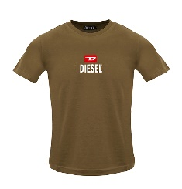 | A11184RPATI7DA | MALE | T-JUST -SMALL-NEW D LOGO MAGLIETTA - COFFEE LIQUEU |  | 84 | 170 | 166 | 188 | 85 |  | 693 | 60.00 €
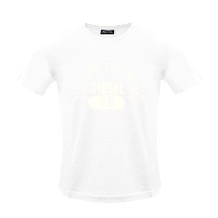 | A12248RPATI100 | MALE | T-DIEGOR-E17-OUT MAGLIETTA - BRIGHT WHITE |  | 157 | 304 | 300 | 306 | 158 |  | 1225 | 60.00 €
 | A12248RPATI81E | MALE | T-DIEGOR-E17-OUT MAGLIETTA - TOTAL ECLIPSE |  | 119 | 222 | 220 | 244 | 130 |  | 935 | 60.00 €
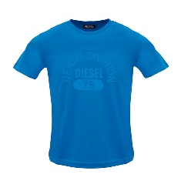 | A12248RPATI8NT | MALE | T-DIEGOR-E17-OUT MAGLIETTA - BLUE SAPPHIRE |  | 41 | 67 | 67 | 69 | 40 |  | 284 | 60.00 €
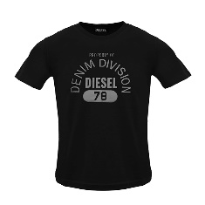 | A12248RPATI9XX | MALE | T-DIEGOR-E17-OUT MAGLIETTA - BLACK BLACK BLACK |  | 126 | 207 | 205 | 239 | 133 |  | 910 | 60.00 €
 | A16861RPATI100 | MALE | T-JUST 12-5 MAGLIETTA - BRIGHT WHITE |  | 103 | 206 | 201 | 221 | 108 |  | 839 | 60.00 €
 | A16861RPATI81E | MALE | T-JUST 12-5 MAGLIETTA - TOTAL ECLIPSE |  | 95 | 187 | 180 | 200 | 102 |  | 764 | 60.00 €
 | A16861RPATI8NT | MALE | T-JUST 12-5 MAGLIETTA - BLUE SAPPHIRE |  | 68 | 133 | 133 | 135 | 66 |  | 535 | 60.00 €
 | A16861RPATI900 | MALE | T-JUST 12-5 MAGLIETTA - CAVIAR |  | 88 | 166 | 157 | 186 | 98 |  | 695 | 60.00 €
 | A18996RPATI100 | MALE | T-JUST 250115 OFF MAGLIETTA - BRIGHT WHITE |  | 116 | 213 | 203 | 228 | 115 |  | 875 | 60.00 €
 | A18996RPATI81E | MALE | T-JUST 250115 OFF MAGLIETTA - TOTAL ECLIPSE |  | 120 | 224 | 213 | 231 | 115 |  | 903 | 60.00 €
 | A18996RPATI900 | MALE | T-JUST 250115 OFF MAGLIETTA - CAVIAR |  | 114 | 212 | 200 | 224 | 114 |  | 864 | 60.00 €
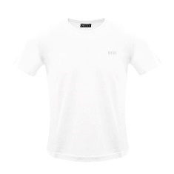 | A18997RPATI100 | MALE | T-JUST 250121 OFF MAGLIETTA - BRIGHT WHITE |  | 73 | 156 | 147 | 169 | 97 |  | 642 | 60.00 €
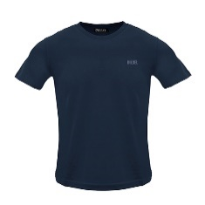 | A18997RPATI81E | MALE | T-JUST 250121 OFF MAGLIETTA - TOTAL ECLIPSE |  | 88 | 177 | 171 | 188 | 102 |  | 726 | 60.00 €
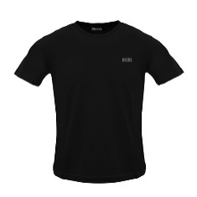 | A18997RPATI900 | MALE | T-JUST 250121 OFF MAGLIETTA - CAVIAR |  | 71 | 149 | 139 | 165 | 97 |  | 621 | 60.00 €
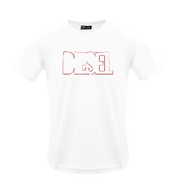 | A19698RHQBE100 | MALE | T-DIEGOR 250215 OFF MAGLIETTA - BRIGHT WHITE |  | 129 | 239 | 232 | 236 | 125 |  | 961 | 60.00 €
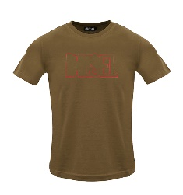 | A19698RHQBE7DA | MALE | T-DIEGOR 250215 OFF MAGLIETTA - COFFEE LIQUEUR |  | 25 | 32 | 31 | 31 | 17 |  | 136 | 60.00 €
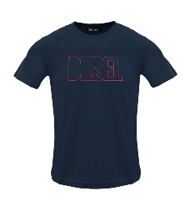 | A19698RHQBE81E | MALE | T-DIEGOR 250215 OFF MAGLIETTA - TOTAL ECLIPSE |  | 139 | 246 | 238 | 244 | 132 |  | 999 | 60.00 €
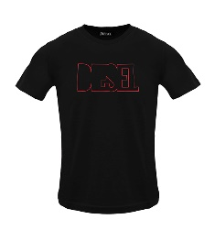 | A19698RHQBE900 | MALE | T-DIEGOR 250215 OFF MAGLIETTA - CAVIAR |  | 128 | 206 | 198 | 204 | 118 |  | 854 | 60.00 €
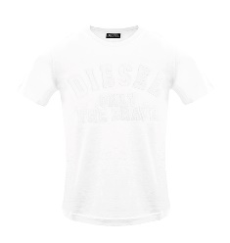 | A19699RHQBF100 | MALE | T-JUST 250216 OFF MAGLIETTA - WHITE |  | 181 | 359 | 353 | 357 | 180 |  | 1430 | 60.00 €
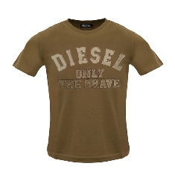 | A19699RHQBF7DA | MALE | T-JUST 250216 OFF MAGLIETTA - COFFEE LIQUEUR |  | 11 | 31 | 10 | 19 | 20 |  | 91 | 60.00 €
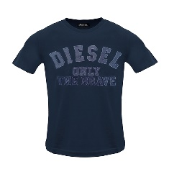 | A19699RHQBF81E | MALE | T-JUST 250216 OFF MAGLIETTA - TOTAL ECLIPSE |  | 110 | 162 | 149 | 194 | 118 |  | 733 | 60.00 €
 | A19699RHQBF900 | MALE | T-JUST 250216 OFF MAGLIETTA - CAVIAR |  | 89 | 122 | 96 | 93 | 109 |  | 509 | 60.00 €
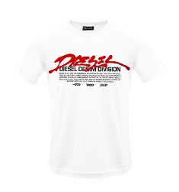 | A19700RHQBG100 | MALE | T-JUST 250217 OFF MAGLIETTA - BRIGHT WHITE |  | 67 | 149 | 144 | 151 | 79 |  | 590 | 60.00 €
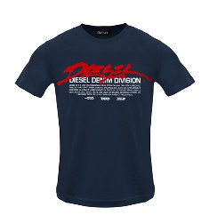 | A19700RHQBG81E | MALE | T-JUST 250217 OFF MAGLIETTA - TOTAL ECLIPSE |  | 71 | 159 | 154 | 160 | 84 |  | 628 | 60.00 €
 | A19700RHQBG900 | MALE | T-JUST 250217 OFF MAGLIETTA - CAVIAR |  | 61 | 132 | 126 | 136 | 76 |  | 531 | 60.00 €
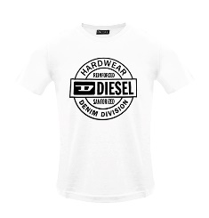 | A19701RHQBH100 | MALE | T-JUST 250218 OFF MAGLIETTA - BRIGHT WHITE |  | 68 | 113 | 104 | 133 | 79 |  | 497 | 60.00 €
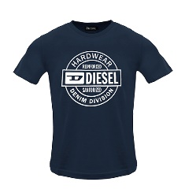 | A19701RHQBH81E | MALE | T-JUST 250218 OFF MAGLIETTA - TOTAL ECLIPSE |  | 76 | 125 | 117 | 134 | 85 |  | 537 | 60.00 €
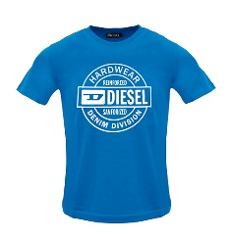 | A19701RHQBH8NT | MALE | T-JUST 250218 OFF MAGLIETTA - BLUE SAPPHIRE |  | 98 | 184 | 184 | 190 | 100 |  | 756 | 60.00 €
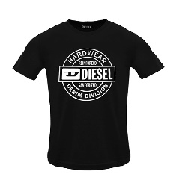 | A19701RHQBH900 | MALE | T-JUST 250218 OFF MAGLIETTA - CAVIAR |  | 61 | 83 | 73 | 93 | 72 |  | 382 | 60.00 €
 | A19713RDBEN5IX | MALE | T-JUST 250221 OFF MAGLIETTA - DEEP DEPTHS |  | 30 | 66 | 63 | 67 | 34 |  | 260 | 60.00 €
 | A19713RDBEN7DA | MALE | T-JUST 250221 OFF MAGLIETTA - COFFEE LIQUEUR |  | 51 | 115 | 115 | 115 | 56 |  | 452 | 60.00 €
 | A19713RDBEN8NT | MALE | T-JUST 250221 OFF MAGLIETTA - BLUE SAPPHIRE |  | 33 | 82 | 80 | 84 | 41 |  | 320 | 60.00 €
 |  |  | Totale T-SHIRT |  |  |  |  |  |  |  | 24934

